NSI parts
Advancing Proteomics
UWPR
 |  |  |  |  | UNIVERSITY of WASHINGTON |  |  | Proteomics Resource
NSI source
last updated: | 2024-09-27 | Qty of sources | Qty of sources | Qty of sources
Part # | Description | for instruments using the | for instruments using the | for instruments using the | unit | unit price | total | vendor |  | comment
 |  | Ion Max source | Ion Max source with interlock | OptaMax NG ion source
 |  | 0 | 0 | 1
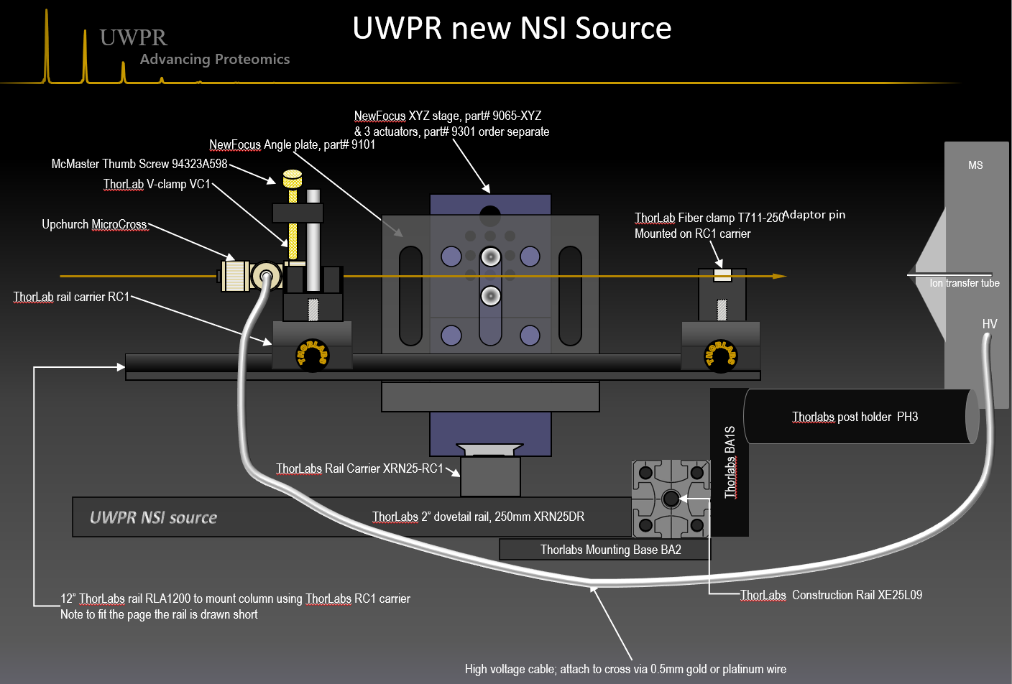
RLA1200 | Imperial Dovetail Optical Rail, 12" | 0 | 0 | 1 | each | $82.92 | $82.92 | Thorlabs | RLA1200
RC1 | Rail Carrier, Counterbored Hole 1"x 1" | 0 | 0 | 3 | each | $27.61 | $82.83 | Thorlabs | RC1
VC1 | Small V-Clamp with PM3 Clamping Arm | 0 | 0 | 2 | each | $43.02 | $86.04 | Thorlabs | VC1 | Note: they replaced the clamping arm with a new version
T711-250 | Post Mountable Fiber Clamp, 250mm | 0 | 0 | 1 | each | $78.48 | $78.48 | Thorlabs | T711-250
PH2 | 1/2" Post Holder, Spring-Loaded Hex-Locking Thumbscrew, L = 2" | 0 | 0 | 0 | each | $8.52 | $0.00 | Thorlabs | PH2 | to mount source to LTQ, LTQ-Orbitrap, TSQ
PH3 | 1/2" Post Holder, Spring-Loaded Hex-Locking Thumbscrew, L = 3" | 0 | 0 | 2 | each | $9.16 | $18.32 | Thorlabs | PH3 | to mount source to Fusion, Quantiva
BA1S | Mounting Base, 1" x 2.3" x 3/8" | 0 | 0 | 2 | each | $5.36 | $10.72 | Thorlabs | BA1S | mount to post holder to connect to CR-1
XE25L09 | 25 mm Square Construction Rail, 9" Long, 1/4"-20 Taps | 0 | 0 | 1 | each | $17.12 | $17.12 | Thorlabs | XE25L09
XE25T3 | Low-Profile T-Nut, 1/4"-20 Tapped Hole, 10 Pack | 0 | 0 | 1 | pk of 10 | $11.80 | $11.80 | Thorlabs | XE25T3
BA2 | Mounting Base, 2" x 3" x 3/8" | 0 | 0 | 1 | each | $8.10 | $8.10 | Thorlabs | BA2
XRN25DR | 2" Dovetail Rail, 250 mm Long | 0 | 0 | 1 | each | $88.20 | $88.20 | Thorlabs | XRN25DR
XRN25-RC1 | Rail Carrier for Stages with 2" Dovetails, 8-32 Taps and #8 Counterbores | 0 | 0 | 1 | each | $67.54 | $67.54 | Thorlabs | XRN25-RC1
MS3R | Mini Series Mounting Posts, 6mm Diameter, 3" Long | 0 | 0 | 2 | each | $8.66 | $17.32 | Thorlabs | MS3R | to guide HV cable away from heated cone, and on the Fusion/Quantiva to engage the interlok
MS2R | Mini Series Mounting Posts, Ø6 mm, L = 2" | 0 | 0 | 0 | each | $7.71 | $0.00 | Thorlabs | MS2R | to engage the interlok on QE
MSA25 | Thread Adapter, 1/4"-20 to #4-40 | 0 | 0 | 1 | each | $5.55 | $5.55 | Thorlabs | MSA25 | to guide HV cable away from heated cone, and on the Fusion/Quantiva to engage the interlok
ER90B | Mini-Post Right Angle Adapter | 0 | 0 | 3 | each | $15.53 | $46.59 | Thorlabs | ER90B | to guide HV cable away from heated cone, and on the Fusion/Quantiva to engage the interlok

9065-XYZ | XYZ Linear Stage, Triple Divide, 0.55 in. Travel, 8-32 & 1/4-20 | 0 | 0 | 1 | each | $1,112.00 | $1,112.00 | NewPort | 9065-XYZ
9301 | Adjustment Screw, Knob, Braked, 12.7 mm Travel, Ball Tip, 1/4-80 | 0 | 0 | 3 | each | $43.00 | $129.00 | NewPort | 9301 | Note there are different screw sets and micrometers available
9022NF | ezTrac Optical Rail, 2.5 in. Length | 0 | 0 | 1 | each | $41.00 | $41.00 | NewPort | 9022NF | To mount XYZ stage (9065-XYZ) to carrier (9025) for extra sideways course adjustment
9101NF | Angle Plate, 1/4-20 Thru Slots, 8-32 and 1/4-20 Threads | 0 | 0 | 1 | each | $125.00 | $125.00 | NewPort | 9101NF | To mount RLA1200 rail
MSPH-2 | Miniature Optical Post Holder, 2.25 in., 1/4-20 (M6) Slotted Base | 0 | 0 | 0 | each | $18.20 | $0.00 | NewPort | MSPH-2 | to mount source to Q Exactive

91035A430 | 18-8 SS Slotted Knurled Head Panel Screw 8-32 Thread, 1" Length | 0 | 0 | 1 | each | $6.00 | $6.00 | McMaster Carr |  | To replace set screw on stage track carrier 9025NF
94323A598 | Nylon Raised-Head Thumb Screws 8-32 Thread Size, 1" Long, black | 0 | 0 | 1 | pk of 50 | $16.29 | $16.29 | McMaster Carr |  | to replace the set screw on the VC1 clamping arm
2706T16 | PTFE Flanged Sleeve Bearing for 5/16" Shaft Diameter, 1/2" OD, 3/8" Overall Length | 0 | 0 | 2 | each | $7.25 | $14.50 | McMaster Carr |  | Bushing to fit slim post holder (SPH-2 or SPH-3)
6362K233 | Rulon LR Sleeve Bearing for 5/16" Shaft Diameter, 1/2" OD, 1/2" Length | 0 | 0 | 8 | each | $6.60 | $52.80 | McMaster Carr |  | Bushing to fit slim post holder (SPH-2 or SPH-3)
2639T13 | PTFE Sleeve Bearing for 3/8" Shaft Diameter, 1/2" OD, 1/2" Length | 0 | 0 | 2 | each | $6.43 | $12.86 | McMaster Carr |  | Bushing to fit slim post holder (SPH-2 or SPH-3)
92185A116 | Type 316 Stainless Steel Socket Head Cap Screw, 4-40 Thread, 1" Long, Fully Threaded | 0 | 1 | 0 | pk of 25 | $10.32 | $10.32 | McMaster Carr |  | for Q Exactive interlok
92313A109 | Type 316 Stainless Steel Cup Point Set Screw, 4-40 Thread, 1/2" Long | 0 | 0 | 1 | pk of 50 | $9.03 | $9.03 | McMaster Carr |  | for Fusion, Quantiva interlok, note if you have 4-40 screws you can just cut a length to make it fit

Total price |  |  |  |  |  |  | $2,150.33

Optional parts
LED magnifying camera and mounting options:
AM3111T | Dino-Lite digital microscope with 8 white LED lights, 640*480 resolution | 0 | 0 | 1 | each | $199.00 | $0.00 | Amazon |  | USB interface to connect to your PC
AM4012PTL | Dino-Lite digital microscope with 8 white LED lights, 640*480 resolution | 0 | 0 | 1 | each |  |  |  |  | tv interface version, you'll need a spearate tv monitor to view
MS23B | Articulating Desktop with Top Clamp-on | 0 | 0 | 1 | each | $54.25 | $0.00 | Amazon |  | flex arm to mount the LED camera
02-217-009 | Ultra Flex 12 with Bench Clamp | 0 | 0 | 1 | each | $265.00 | $0.00 | fisher |  | flex arm to mount the LED camera, we had some of those in the lab and they work great too.

LED light option w/o camera:
LIL18LED | Littlite L-1 L-Series Lampset (18") Mfr# L-18-LED | 0 | 0 | 1 | each | $89.95 | $0.00 | Amazon |  | LED light
1030A4 | Bracket, Zinc-Plated Steel, 3" Long | 0 | 0 | 1 | each | $1.46 | $0.00 | McMaster Carr |  | to mount LED light to breadboard
LT-T15 | Desk Lamp, LED Reading Light, Aglaia 4W |  |  |  |  | $19.99 |  | Amazon |  | cheaper options, shop around…
LC021F13WW | Agese Desk Lamp Table Lamp Clip Light Touch Switch |  |  |  |  | $25.99 |  | Amazon |  | cheaper options, shop around…

MSA8 | Thread Adapter, #8-32 to #4-40 | 0 |  |  | each | $5.41 | $0.00 | Thorlabs |  | optional to mount Upchurch MicroTee with mounting whole to the end of RLA1200, requires #4-40 screw
92499A037 | 18-8 Stainless Steel Male-Female Thrd Adapter 6-32 Male End, 4-40 Female End | 0 |  |  | each | $4.85 | $7.85 | MacMaster Carr |  | optional to mount Upchurch MicroTee with mounting whole to the top of VC1 carrier post, requires #4-40 screw

 |  | per source
Screws | Thread size | Length
 |  | na | 1/4" | 3/8" | 5/8" | 3/4" | 7/8" | 1"
12" ez track to breadboard | button-head screws (NewFocus 9024) | 2 |  |  |  |  |  |  | Note you get some with the track |  | 92949A533 | 18-8 SS Button Head Socket Cap Screw 1/4"-20 Thread, 5/16" Length | 1 | pk of 50 | $7.85 | $7.85 | MacMaster Carr

2.5" ez track to carrier (9025) | #8-32 |  | 1 |  |  |  |  |  |  |  | 92185A190 | Type 316 Stainless Stl Socket Head Cap Screw 8-32 Thread, 1/4" Length | 1 | pk of 25 | $3.64 | $3.64 | MacMaster Carr
 | #8-32 |  |  | 1 |  |  |  |  |  |  | 92185A192 | Type 316 Stainless Stl Socket Head Cap Screw 8-32 Thread, 3/8" Length | 1 | pk of 25 | $3.54 | $3.54 | MacMaster Carr
 | #8-32 nut |  |  |  |  |  |  |  |  |  | 90257A009 | Type 316 SS Machine Screw Hex Nut 8-32 Thread Size, 11/32" Width, 1/8" Height | 1 | pk of 100 | $9.40 | $9.40 | MacMaster Carr
 | #8-32washer | 1 |  |  |  |  |  |  |  |  | 90107A010 | Type 316 SS General Purpose Flat Washer No. 8 Screw Size, 3/8" OD, .02"-.04" Thick | 1 | pk of 100 | $3.45 | $3.45 | MacMaster Carr

Rail (RLA1200) to angle bracket (9101) | 1/4"-20 |  |  | 2 |  |  |  |  |  |  | 92185A535 | Type 316 Stainless Stl Socket Head Cap Screw 1/4"-20 Thread, 3/8" Length | 1 | pk of 10 | $3.88 | $3.88 | MacMaster Carr
angle bracket to XYZ | 1/4"-20 |  |  | 2 |  |  |  |  |  |  | See above
carrier to V-clamp and Fiber clamp | #8-32 |  |  |  | 3 |  |  |  | Note you can use either the 3/8" or the 5/8" screws |  | 92185A196 | Type 316 Stainless Stl Socket Head Cap Screw 8-32 Thread, 5/8" Length | 1 | pk of 25 | $4.24 | $4.24 | MacMaster Carr
 | #8-32washer | 3 |  |  |  |  |  |  |  |  | See above

construction rail to breadboard | 1/4"-20 |  |  |  |  | 2 |  |  |  |  | 92185A540 | Type 316 Stainless Steel Socket Head Cap Screw, 1/4"-20 Thread, 3/4" Length | 1 | pk of 10 | $3.41 | $3.41 | MacMaster Carr
slotted base to construction rail | 1/4"-20 |  |  |  |  |  |  | 2 |  |  | 92185A542 | Type 316 Stainless Steel Socket Head Cap Screw, 1/4"-20 Thread, 1" Length | 1 | pk of 10 | $3.99 | $3.99 | MacMaster Carr
post holder to slotted base | 1/4"-20 |  |  | 2 |  |  |  |  |  |  | see above

Optional you can attach the mirotee via 4-40 screws | 4-40 |  |  |  |  |  | 1 |  | optional |  | 92185A113 | Type 316 Stainless Stl Socket Head Cap Screw 4-40 Thread, 7/8" Length | 1 | pk of 25 | $5.71 | $5.71 | MacMaster Carr
 | 4-40 hex nuts | 1 |  |  |  |  |  |  | optional |  | 90257A005 | Type 316 SS Machine Screw Hex Nut 4-40 Thread Size, 1/4" Width, 3/32" Height | 1 | pk of 100 | $5.99 | $5.99 | MacMaster Carr

HW-KIT1 | #8-32 Cap Screw and Hardware Kit | 1 |  |  | each | $61.14 | $61.14 | Thorlabs | HW-KIT1 | you'll only need a few screws see table for an estimate
HW-KIT2 | 1/4"-20 Cap Screw and Hardware Kit | 1 |  |  | each | $121.18 | $121.18 | Thorlabs | HW-KIT2 | you'll only need a few screws see table for an estimate

SD1 | #8-32 (M4) Counterbore Adapter Ring, 10 Per Package | 1 |  |  | each | $8.39 | $8.39 | Thorlabs | SD1 | you can use multple washers instead
9024 | Screw Kit (25pc) to mount ez-tracks | 1 |  |  | each | $15.50 | $15.50 | NewFocus |  | Note you get some with the track, but this is the ordering info if you want extra ones

Tools:
BD-KIT | Complete Balldriver Kit, Includes 0.050", 1/16", 5/64", 3/32", 7/64", 1/8", 9/64", 5/32", and 3/16") | 1 |  |  | kit | $29.76 | $29.76 | Thorlabs | BD-KIT | Tools needed to assemble the source
OR
BD-3/16 | 3/16" Balldriver for 1/4"-20 Socket Screws | 1 |  |  | each | $5.69 | $5.69 | Thorlabs | BD-3/16 | Tools needed to assemble the source
BD-5/64 | 5/64" Balldriver for #8-32 Set Screws | 1 |  |  | each | $3.83 | $3.83 | Thorlabs | BD-5/64 | Tools needed to assemble the source

NewFocus 6” rail or 12” rail (9023 or 9020) to mount
NewFocus rail carrier (9025)
12” ThorLab rail RLA1200 to mount column using ThorLabs RC1 carrier
Note to fit the page the rail is drawn short
NewFocus Angle plate, part# 9101
ThorLab 8x10” aluminum breadboard MB810
MS
ThorLab rail carrier RC1
ThorLab V-clamp VC1
Upchurch MicroCross
NewFocus XYZ stage, part# 9065-XYZ
& 3 actuators, part# 9301 order separate
ThorLab Fiber clamp T711-250
Mounted on RC1 carrier
HV
High voltage cable; attach to cross via 0.5mm gold or platinum wire
THORLABS
THORLABS
Ion transfer tube
Adaptor pin
NewFocus rail carrier (9025)
NewPort part# CR-1
Thorlas BA1S
Thorlabs post holder PH3
UWPR NSI source
McMaster Thumb Screw 94323A598

HV and Interlock bypass
Advancing Proteomics
UWPR
 |  |  |  |  | UNIVERSITY of WASHINGTON |  |  | Proteomics Resource
 |  | Qty of sources
last updated: | 2025-06-12 | Ion Max source | OptaMax NG ion source
part # | Description | 1 | 1 | unit | unit price | total | vendor |  | comment

Interlock bypass:

70104585 | Insert; 250 V; 16 A; Male; 10; RoHS Compliant; Han A Series; 10 A Product Size Mfr. Part#: 09200102612 | 0 | 1 | each | $21.82 | $21.82 | rs-online | https://us.rs-online.com/product/harting/09200102612/70104585/
70201054 | Resistor; Metal Film; Res 10 Kilohms; Pwr-Rtg 0.25 W; Tol 2%; Axial; Epoxy | 1 | 1 | each | $4.72 | $9.44 | rs-online | https://us.rs-online.com/product/vishay-dale/rlr07c1002gsb14/70201054/

70081087 | D-Sub Plug; Thermoplastic; Plug; 15 Nickel over Steel contacts; Solder Terminati | 1 | 0 | each | $1.62 | $1.62 | rs-online | https://us.rs-online.com/product/aim-cambridge-cinch-connectivity-solutions/40-9715m/70081087/ | For older Thermo instruments
70081126 | Hood; D-Sub; 15Pos; StraightExit; HSSeries; MetallizedPlastic | 1 | 0 | each | $1.66 | $1.66 | rs-online | https://us.rs-online.com/product/aim-cambridge-cinch-connectivity-solutions/40-9715hs/70081126/ | optional to enclose the plug, makes it easier to remove plug from instrument
 | some wire |  |  |  |  |  |  |  | just some small piece of wire to use as a jumper
 |  |  |  |  |  | $31.26

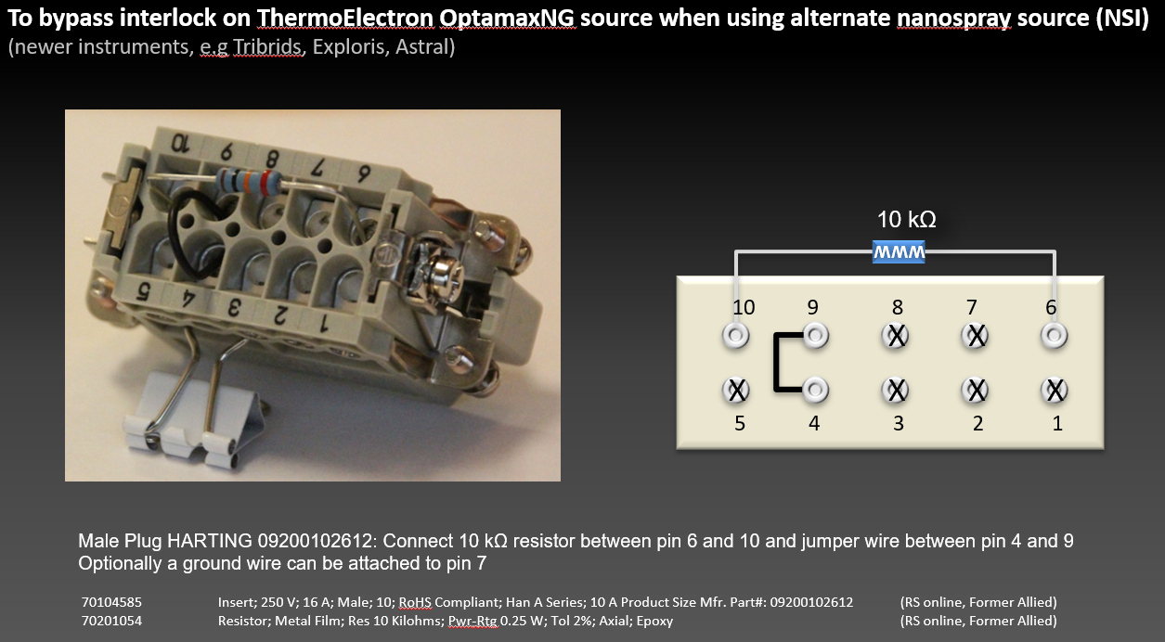
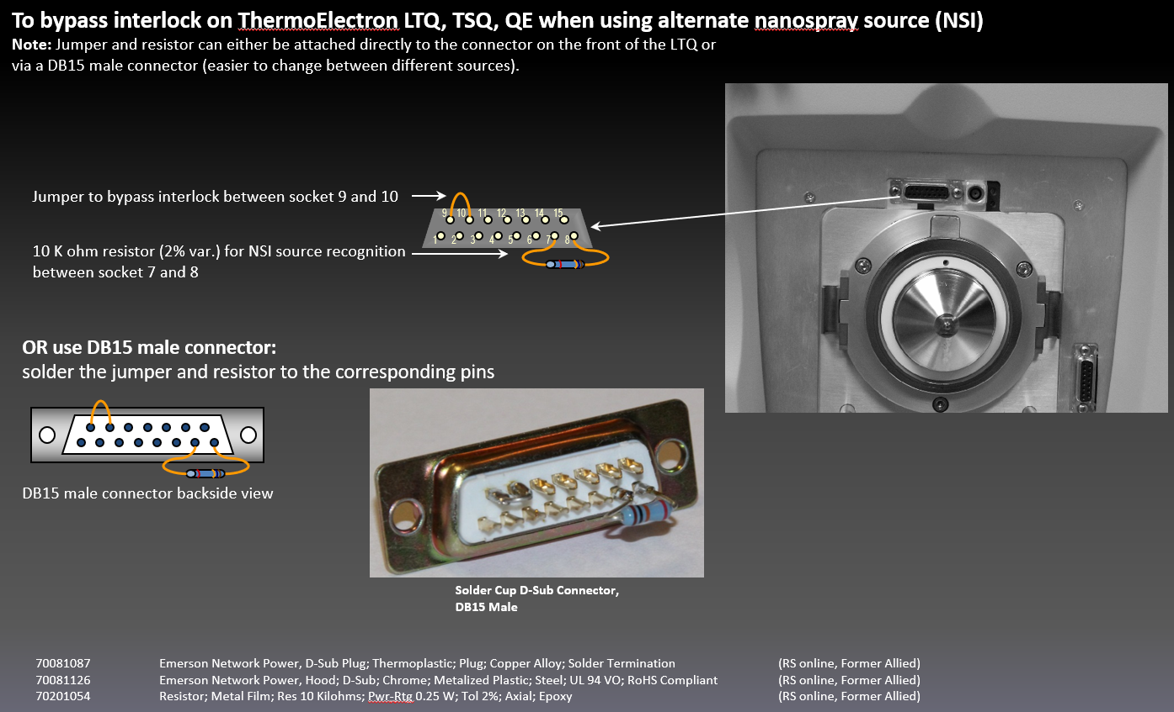

High voltage connection:
part # | Description | Qty |  | unit | unit price | total | vendor link | product link |  | comment
NC9530765 | Thermo Scientific FEED THROUGH CONNECTOR ( 0000495039), SCID series, threaded plastic flange receptacle assembly | 1 | 1 | each | $510.45 | $510.45 | Fisher | NC9530765
10334-02 | SCID series, threaded plastic flange receptacle assembly | 0 | 0 | each | $72.25 | $0.00 | Connectronics Corp | scid | https://www.thomasnet.com/company/connectronics-corp-652326/catalog/item/1417-3001008-1357 | alternate source for the SCID connector
00004-95039 | Connector, Feed thru, 15KVdc, 7.5A, Connectronics | 0 | 0 | each | $387.00 | $0.00 | UnityLabServices | 00004-95039 |  | alternate source for the SCID connector | 00004-95039 (Connector, Feed thru, 15KVdc, 7.5A, Connectronics $164.40) is the part number through Thermo | https://www.scientificinstrumentparts.com/parts/sku.aspx?sku=00004-95039
066-031-14 | High voltage wire, #22 AWG, .180 O.D. silicone rubber insulated wire. | 2 | 2 | ft | $4.58 | $9.16 | Connectronics Corp |  |  | you only need approx 2ft length ask for min quantity to order
OR |  |  |  |  |  |  |  |  |  | OR
70021995 | Wire; Hook-Up; Copper; 20 AWG; 19x32; Wht Silicone Rubber Ins; +200C | 1 | 1 | 100 ft coil | $392.54 | $392.54 | rs-online | https://us.rs-online.com/product/alpha-wire/39x2015-wh005/70021995/ |  | buy a roll | former Allied Electronics

70822770 | RS Pro Female Solder D-sub Connector, Contact, 32 → 22 AWG | 10 |  | each | $0.74 | $7.40 | rs-online | https://us.rs-online.com/product/rs-pro/481500/70822770/
70822769 | RS Pro Male Solder D-sub Connector, Contact, 32 → 22 AWG | 10 |  | each | $0.52 | $5.19 | rs-online | https://us.rs-online.com/product/rs-pro/481493/70822769/
70084247 | Connector; Pin; 20-24 AWG; Pin; Crimp; 20; Crimp Snap-in; Copper Alloy | 10 |  | each | $1.14 | $11.40 | rs-online | https://us.rs-online.com/product/te-connectivity/205089-1/70084247/ |  | alternate pin
70084246 | AMPLIMITE 109 socket contact; size 20 DM | 10 |  | each | $1.36 | $13.60 | rs-online | https://us.rs-online.com/product/te-connectivity/205090-1/70084246/ |  | alternate socket

267201-400MG | Platinum wire, diam. 0.5 mm, 99.99% (approx 10 cm) | 1 |  | each | $349.00 | $349.00 | Sigma | https://www.sigmaaldrich.com/US/en/product/aldrich/267201
AA43288BU | Platinum wire; 99.95% metal basis; Alfa Aesar; 0.5mm diameter; annelaled; 25cm length; 4.21g/m, Temper soft | 1 |  | each | $469.29 | $469.29 | Fisher | https://www.fishersci.com/shop/products/platinum-wire-0-5mm-0-02in-dia-annealed-99-95-metals-basis-thermo-scientific-1/AA43288BU |  | alternate ventor
OR
50822139 | Gold Wire 0.020 in. 1Ft | 1 |  | each | $313.72 | $313.72 | Fisher | https://www.fishersci.com/shop/products/gold-wire-0-020-1ftgold-wire/50822139

PEEK fittings with sleeves
P-777 | MICROCROSS ASSEMBLY, FOR .025 IN OD TUBING SLEEVES, .006 IN THRU HOLE, PEEK™ |  |  | each | $185.49 |  | Upchurch/Idex | https://www.idex-hs.com/store/product-detail/microcross_body_025in/p-777-01
P-775 | MICROTEE ASSEMBLY, FOR .025 IN OD TUBING SLEEVES, .006 IN THRU HOLE, PEEK™ |  |  | each | $147.16 |  | Upchurch/Idex | https://www.idex-hs.com/store/product-detail/microtee_assembly_025in/p-775
F-172 | FERRULE, MICRO FINGERTIGHT, FOR .025 IN SLEEVES/P-416 NUT, PEEK™, BLACK |  |  | each | $9.81 |  | Upchurch/Idex | https://www.idex-hs.com/store/product-detail/microtight_ferrule_025_peek_black_single/f-172
F-185x | TUBING SLEEVE, MICROTIGHT®, 395µm (.015 IN) ID x .025 IN, PEEK™, GREEN (10 PK) |  |  | 10-pack | $30.78 |  | Upchurch/Idex | https://www.idex-hs.com/store/product-detail/microtight_sleeve_green_025_od_x_0155_id_10_pack/f-185x
P-116 | PLUG, F0R MICRO FITTINGS, PEEK™, BLACK (USE IN P-416 FEMALE NUT) |  |  | each | $17.10 |  | Upchurch/Idex | https://www.idex-hs.com/store/product-detail/microtight_ferrule_plug/p-116

alternate options:
PEEK fittings sleeveless
P-889 | MicroCross PEEK 360µm w/Fittings |  |  | each | $131.53 |  | Upchurch/Idex
P-772 | MicroTight® Unions Assembly 360um |  |  | each | $54.69 |  | Upchurch/Idex | https://www.idex-hs.com/store/product-detail/microtight_unions_assembly_360um/p-772
F-152 | PEEK MicroTight® Ferrule 5/16-24 Coned, for 360µm OD Natural |  |  | each | $7.67 |  | Upchurch/Idex | obsolete

Stainless steele fittings 15000 psi
UH-752 | MicroCross Assembly for 360µm OD |  |  | each | $311.77 |  | Upchurch/Idex | https://www.idex-hs.com/store/product-detail/microcross_assembly_for_360_m_od/uh-752
UH-436 | VHP MicroTight® Union for 360µm OD |  |  | each | $136.76 |  | Upchurch/Idex | obsolete

PK-152 | VHP MicroFerrule PK 360 |  |  | each | $12.29 |  | Upchurch/Idex | https://www.idex-hs.com/store/search-results/1/?searchCriteria=PK-152

NanoViper compatible fittings
UH-753 | VHP Micro Adapter Tee for 1/16" to 360µm OD |  |  | each | $301.05 |  | Upchurch/Idex | https://www.idex-hs.com/store/product-detail/vhp_micro_adapter_tee_for_1_16_to_360_m_od/uh-753

